Instructions
Instructions |  |  | 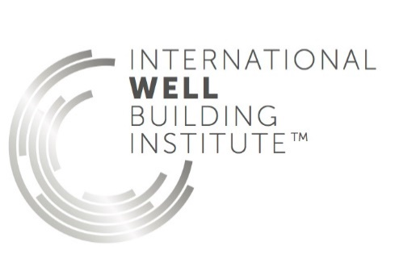
Introduction | Table 1. Certification requirements
The WELL Building Standard® is organized into seven categories of wellness called Concepts: Air, Water, Nourishment, Light, Fitness, Comfort and Mind. Each Concept is comprised of multiple features, which are intended to address specific aspects of occupant health, comfort or knowledge. Each feature is divided into parts, which are often tailored to a specific building type. Within each part are one or more requirements, which dictate specific parameters that must be met. Satisfying a feature requires that all applicable parts of that feature are met. The applicability of a part is determined by the project space type and scope. Tables indicating the applicability of each feature and part based on the project type and scope are included in the introduction to WELL and each WELL pilot standard. WELL features are categorized as either Preconditions or Optimizations. Preconditions are necessary for all levels of WELL Certification. Optimizations are additional features, a certain percentage of which must be attained depending on the level of achievement that is pursued (Table 1). | STANDARD VERSION | LEVEL OF ACHIEVEMENT | PRECONDITIONS THAT MUST BE ACHIEVED | OPTIMIZATIONS THAT MUST BE ACHIEVED
 | WELL Building Standard v1 | Silver Certification | all applicable preconditions | none
 |  | Gold Certification | all applicable preconditions | 40% of applicable optimizations
 |  | Platinum Certification | all applicable preconditions | 80% of applicable optimizations
 | For more information on the certification process, please consult the WELL Certification Guidebook.

Worksheets
The Project Checklist allows teams to track whether a project intends to pursue a particular feature towards certification. The selections on the Project Checklist are reflected automatically on the Certification Matrix, indicating the estimated target level of certification. Project Checklist Layout Concepts, Features & Parts: Identifies each feature and the details of each part requirement, sorted by Concept Optimizations & Preconditions Symbols: Signifies the applicability of a feature based on the definitions of Precondition and Optimizations as described above (see Scoring page on wellcertified.com for more information on pursuing n/a features) Verification Types: Specifies what verification method will be used to determine adherence to that part Pursuing (Yes, Maybe, No): Tracks whether a project intends to pursue or not pursue a feature. Note that further designations are provided on the part level for projects to track progress by part Notes: Allows project teams to make notes about their response or implementation of that part Certification Matrix Layout Concepts, Features & Parts: Tracks pursuing responses from Project Checklist Summary: Totals the responses for Yes, Maybe and No by Precondition and Optimization applicability Requirements: Identifies the minimum totals for each level of certification Results: Lists the outcome of applying the totals against the requirements Performance Verification Asterisk: Informs that these Yes counts are subject to onsite testing for achievement

© 2018-2019 International WELL Building Institute, pbc. All Rights Reserved

